Sheet1
Feature | Testing Point | Steps | Expected Result | Actual Result | Notes or Images
Average rating with distribution of ratings | RatingDonutChart | Select Universities from the Nav Bar -> Pick one uni from the Card Grid(e.g. ANU) -> Select the Reviews button | The average score of the ratings should be display correctly | the chart display correctly | 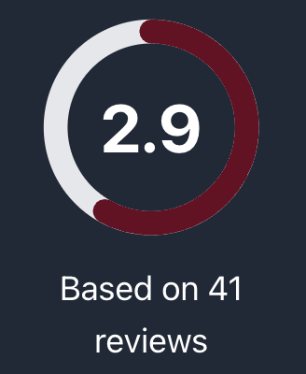
 | RatingDistributionFilter |  | the distribution of the rating should display correctly and correspondingly | The result is as expected. | 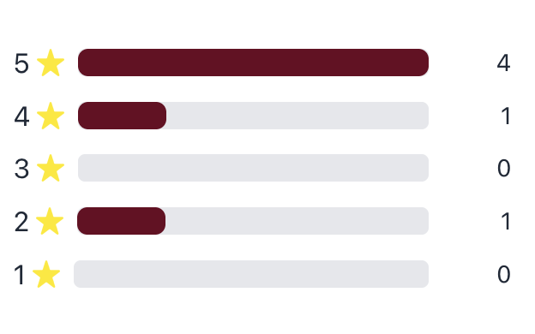
 | Overall component |  | It should be responsive, capable of adjusting to the entire page size and automatically adapting to both night and day modes, while also integrating with the filtering functionality for future comment filtering. | The result is as expected.
add helpful link section under each university/program/subject | Helpful link table | Select Universities from the Nav Bar -> Pick one uni from the Card Grid(e.g. ANU) -> Select the Helpful link button | There is a table of links belongs to ANU and each link with a bookmark and a share button | The result is as expected.
Dark mode contrast with university logos | Visibility in dark mode | Navigate to Universities page in dark mode | University logos should be clearly visible against the background | The result is as expected. | 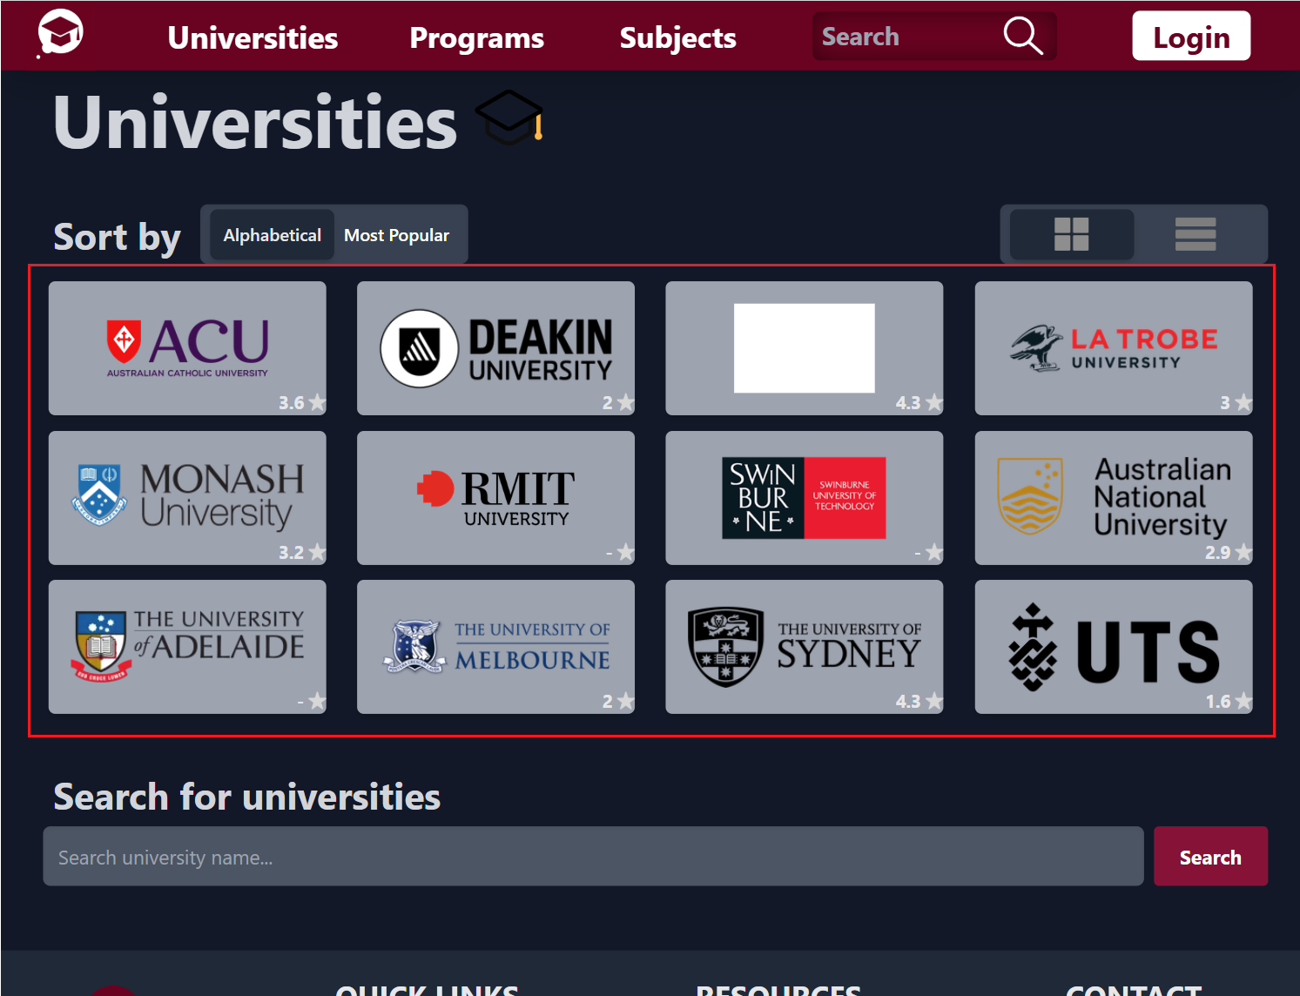
User can add links under each university/program/subject through add post button | Add post function | Select Universities from the Nav Bar -> Pick one uni from the Card Grid(e.g. ANU) -> Select the Helpful link button -> Select Add post->Input name of the website andURL | After adding a website, user can see it in the helpful link section | The result is as expected.
Reviews filter | RatingDistributionFilter | Select Universities from the Nav Bar -> Pick one uni from the Card Grid (e.g. ANU) -> Select the Reviews button | The distribution of the rating should display correctly and correspondingly | The result is as expected. | 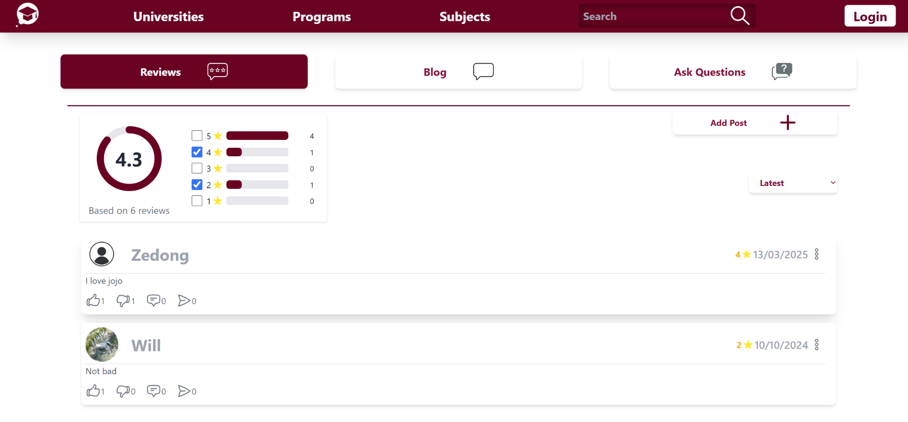
Sort Reviews | sort option: Latest | Homepage > Universities > Reviews. Select the corresponding sort option from the dropdown at the right side of "Sort by:" label | The reviews are shown from latest post date to oldest post date | The result is as expected.
 | sort option: Oldest |  | The reviews are shown from oldest to latest | The result is as expected.
 | sort option: lowest rating |  | The reviews are shown from lowest rating to highest rating | The result is as expected.
 | sort option: highest rating |  | The reviews are shown from highest rating to lowest rating | The result is as expected.
 | sort option: most like |  | The reviews are sort by the number of likes, the review with most like should appear at top. | The result is as expected.
Without logo background pictures | Automatic Image Handling:Background images and logos display only if available | 1. Navigate to the university listing page. 2. Check listings with and without images. | Listings with available images display them; those without do not show empty placeholders. | 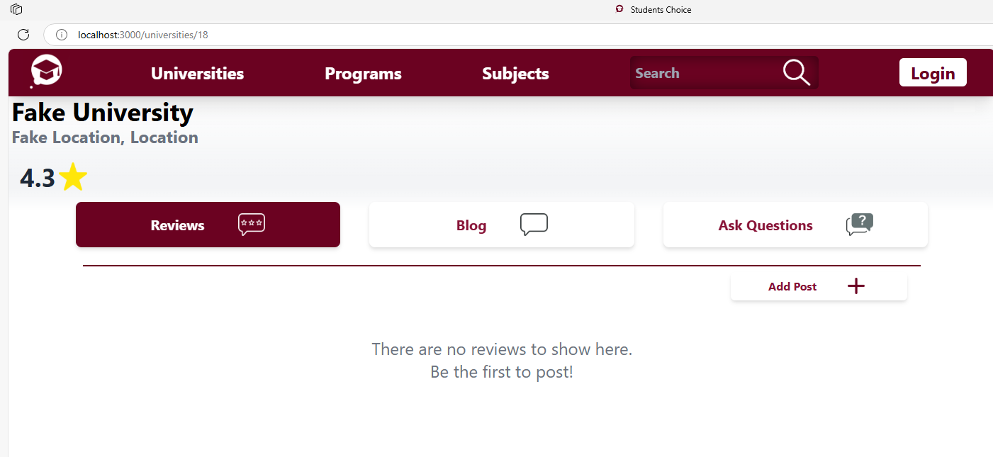 The result is as expected.
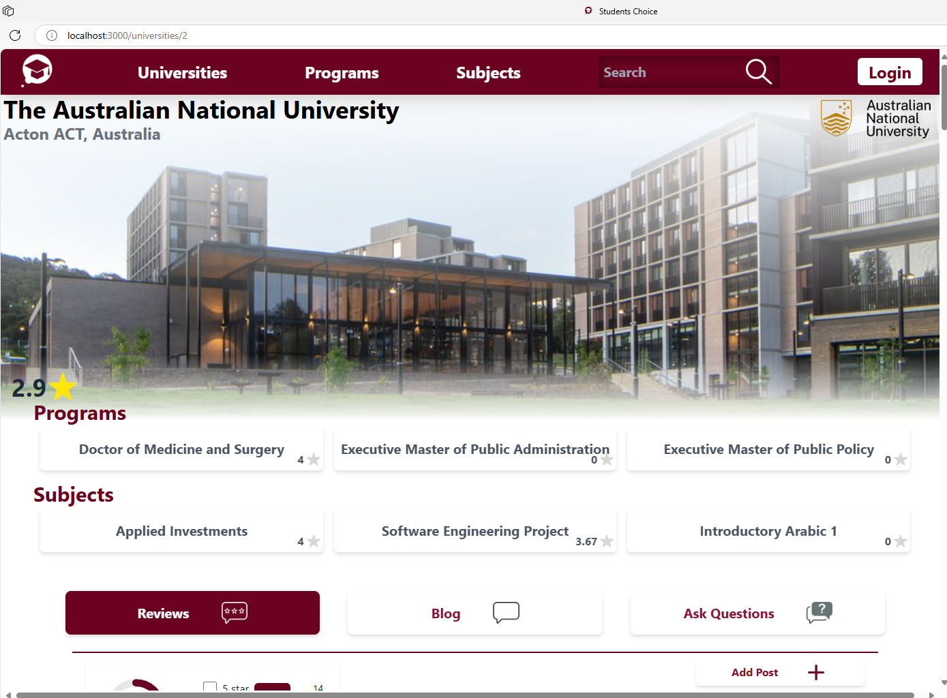
 | Layout Adaptation: Listings adjust properly when images are missing | 1. Identify a university entry with a missing logo or background image. 2. Observe the layout and spacing. | The listing maintains a clean and balanced appearance, without broken images or misalignment. | The result is as expected.
 | Default View with Images: Listings display logos and background images if available | 1. Open the university listing page. 2. Observe listings that have images. | Logos and background images appear where available. | The result is as expected.
 | Responsive Design: Layout adjusts properly on different screen sizes | 1. Open the listing page on desktop, tablet, and mobile. 2. Verify proper alignment when images are missing. | The UI remains well-structured and readable across all devices. | The result is as expected.
 | Performance Improvement: Faster load time when images are unavailable | 1. Open the listing page where some universities lack images. 2. Measure page load time. 3. Compare with an image-heavy listing. | The page loads faster when fewer images are displayed. | Not implemented
 | Accessibility Compliance: Proper alt text for images and structured content for screen readers | 1. Inspect image elements for proper alt attributes. 2. Use a screen reader to verify usability. | Listings are accessible, and missing images do not cause usability issues. | The result is as expected.

